Sheet1
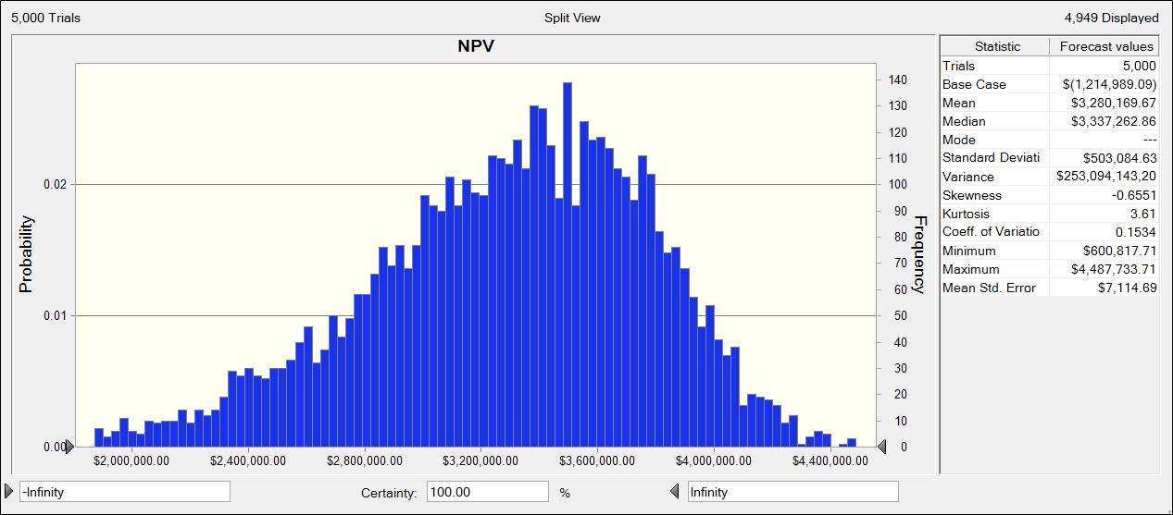
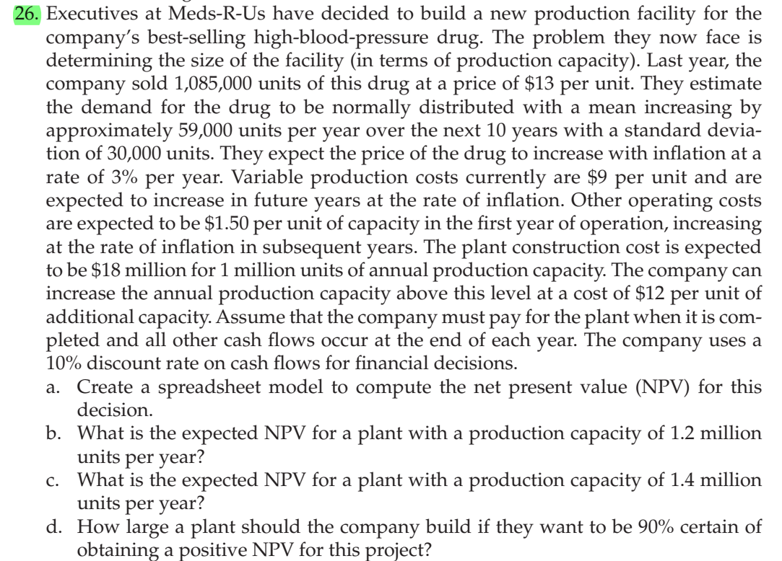
Determine the size of the facility

Last year sales | 1085000
Unit price | $13

Demand - Normally Distributed
Mean increase | 59000
sd | 30000

Rate of price increase | 3%

Production cost | $9 | per unit
Rate of increase | 3%

Operating costs | 1.5
Rate of increase | 3%

Construction cost | $18,000,000 | for | 1000000
Production capacity | 1200000
Additional capacity cost | $12 | per unit
Additional cost | $2,400,000
Discount rate on cash flows | 10%
 |  |  |  |  | Unit production cost | Operating costs per unit
 | Demand increase
Year |  | Demand | Demand met | Unit price |  |  | Cash outflow | Cash inflow | Net cash flow
0 |  |  |  | $13
1 | 0 | 1085000 | 1085000 | $13.39 | $9.00 | $1.50 | $11,392,500.00 | $14,528,150.00 | $3,135,650.00
2 | 0 | 1085000 | 1085000 | $13.79 | $9.27 | $1.55 | $11,734,275.00 | $14,963,994.50 | $3,229,719.50
3 | 0 | 1085000 | 1085000 | $14.21 | $9.55 | $1.59 | $12,086,303.25 | $15,412,914.34 | $3,326,611.09 | a) | The net present value is unaffected by demand as the production capacity is less than the demand and hence it is 1894019.27
4 | 0 | 1085000 | 1085000 | $14.63 | $9.83 | $1.64 | $12,448,892.35 | $15,875,301.77 | $3,426,409.42
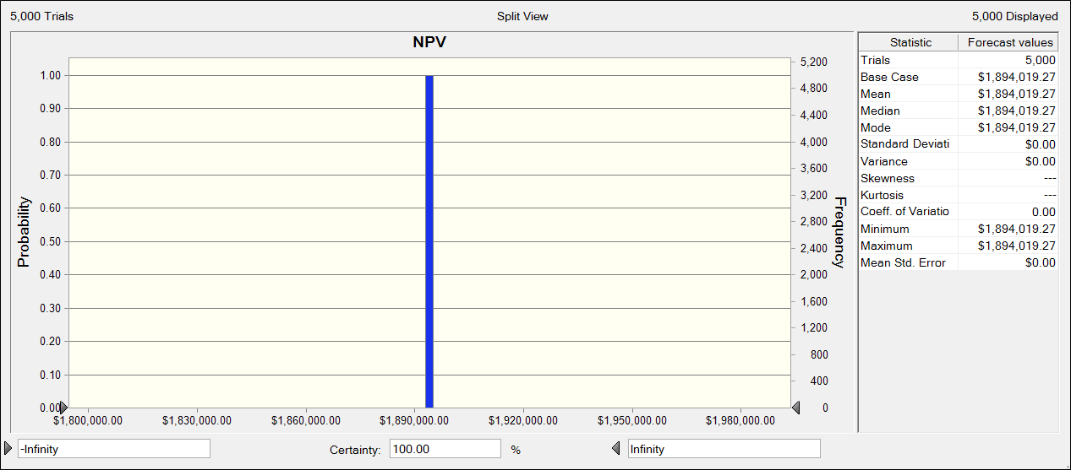
5 | 0 | 1085000 | 1085000 | $15.07 | $10.13 | $1.69 | $12,822,359.12 | $16,351,560.82 | $3,529,201.70
6 | 0 | 1085000 | 1085000 | $15.52 | $10.43 | $1.74 | $13,207,029.89 | $16,842,107.64 | $3,635,077.75
7 | 0 | 1085000 | 1085000 | $15.99 | $10.75 | $1.79 | $13,603,240.79 | $17,347,370.87 | $3,744,130.08
8 | 0 | 1085000 | 1085000 | $16.47 | $11.07 | $1.84 | $14,011,338.01 | $17,867,792.00 | $3,856,453.99
9 | 0 | 1085000 | 1085000 | $16.96 | $11.40 | $1.90 | $14,431,678.15 | $18,403,825.76 | $3,972,147.61
10 | 0 | 1085000 | 1085000 | $17.47 | $11.74 | $1.96 | $14,864,628.50 | $18,955,940.53 | $4,091,312.03

 |  |  |  |  | NPV | $1,185,010.91

 |  |  |  |  |  |  |  |  |  | b) | The expected net present value when the production capacity is 1200000 is $3,276,522.30 as shown in the chart below.

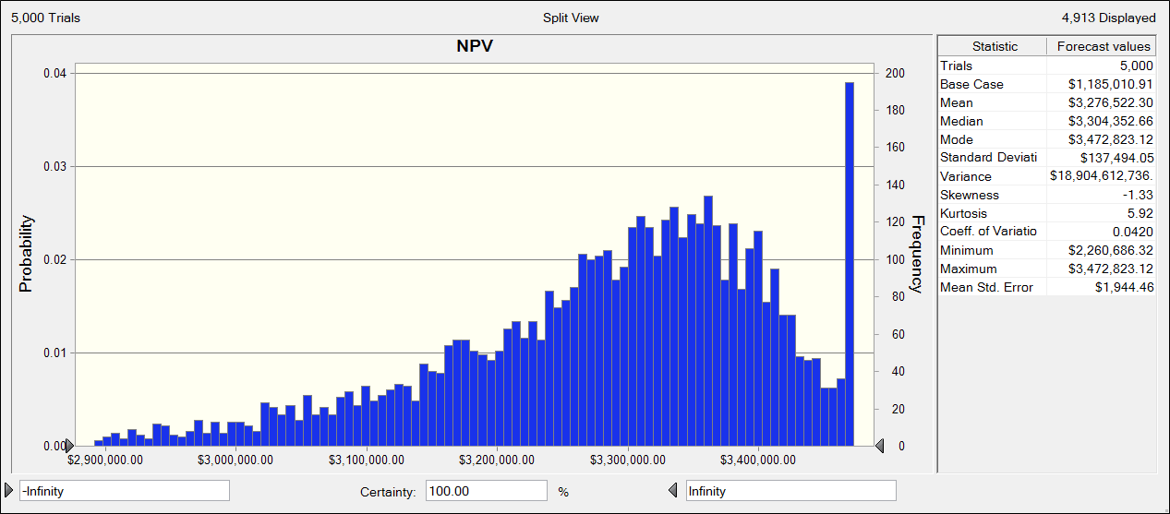

 |  |  |  |  |  |  |  |  |  | c) | The expected net present value when the production capacity is 1400000 is $3,280,169.67 as shown in the chart below.

